Sheet1
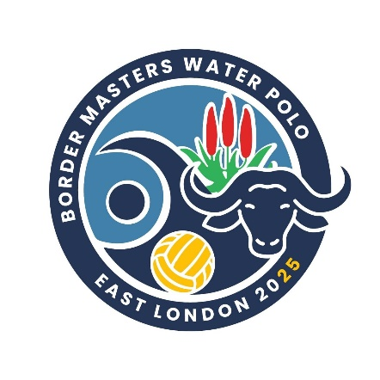

 | MASTERS WATER POLO TOURNAMENT 2025
 | Joan Harrison Swimming Complex - East London

 | TOURNAMENT DATES
 | 20 March 2025 | REGISTRATION, AGM AND WELCOME DRINKS
 | 20 - 21 March 2025 | GAMES, DINNER AND ENTERTAINMENT
 | 22 March 2025 | PLAY OFFS, DINNER, PRIZE GIVING AND ENTERTAINMENT

TEAM NAME |  |  |  | AGE GROUP
 |  |  |  | Open, 30+, 40+, 50+, 60+
CONTACT PERSON NAME
CONTACT CELL NUMBER
CONTACT EMAIL
CAP NO. | FIRST NAME | SURNAME | AGE AT 31ST DEC 2025 | ID NUMBER | TSHIRT SIZE
 |  |  |  |  | S/M/L/XL/XXL
1 | Joe | Soap | 44
2 |  |  | 23
3
4
5
6
7
8
9
10
11
12
13
14
15
16
COACH
MANAGER
 | Average age |  | 33.50
 | Total Owing (number of team participants x R 1 050.00)

ENTRY FEE – R1 050.00 PER PLAYER

BANKING DETAILS
BORDER MASTERS WATER POLO
NEDBANK
ACCOUNT NO: 45223913, BRANCH: 198765
REF: TEAM NAME and AGE GROUP

Please email proof of payment to: locel.secretary@gmail.com Att: Jeanette Hensberg
IMPORTANT: Please pay as a team and not as individuals

